Sheet1
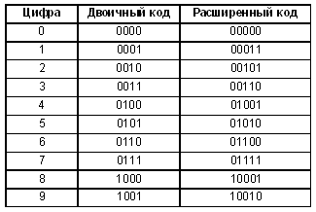
 | 192.168.100.0/24
0 | 192.168.100.0/27 | ".00000000" | 255.255.255.224
1 | 192.168.100.32 | ".00100000"
2 | 192.168.100.64 | ".01000000"
3 | 192.168.100.96 | ".01100000"
4 | 192.168.100.128 | ".10000000"
5 | 192.168.100.160 | ".10100000"
6 | 192.168.100.192 | ".11000000"
7 | 192.168.100.224 | ".11100000"

